Bug report
Bug Report for Tutorials Ninja Project:
Project Name | Tutoriala Ninja Point
Created by | Puja Kumari
Creation Date | 20-01-25

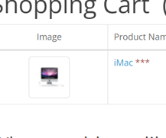
BUG_ID | Priority | Bug Descripation | Pre-Condition | Bug Steps | Expected Result | Actual Results | Status | Executed By | Screenshots/Video Recording
TUT_001 | Medium | User is not able to see product image clearly in the checkout page | 1. Open the Browser 2. Enter the Url - https://tutorialsninja.com/demo/index.php?route=common/home | 1. Open Browser 2. Enter Url 3. Login in the application 4. Search Items 5. Add item to the cart 6. Click on the Checkout page | Not user friendly | Not user friendly | Pass | Puja kumari
TUT_002 | Medium | Users should be register with valid credentials clicking on Subscribes checkboxes NO page should be not navigate same page get which click on yes. | 1. Open the Browser 2. Enter the Url - https://tutorialsninja.com/demo/index.php?route=common/home | 1. Good Internet 2. Open Browser 3. Put on Url 4. Click on my account 5. Click for Register | Not user friendly | User friendly | Fail | Puja kumari | https://drive.google.com/file/d/1xwkltI9YFR3u2VtyaN_cASLK9YlRbyFI/view?usp=sharing
TUT_003 | Medium | Users found error messages when put on an invalid email. | 1. Open the Browser 2. Enter the Url - https://tutorialsninja.com/demo/index.php?route=common/home | 1. Good Internet 2. Open Browser 3. Put on Url 4. Click on my account 5. Click for Register | Not user friendly | Not user friendly | Pass | Puja kumari
TUT_004 | High | Users get Successfully login to registration account with Number instead of letters. | 1. Open the Browser 2. Enter the Url - https://tutorialsninja.com/demo/index.php?route=common/home | 1. Good Internet 2. Open Browser 3. Put on Url 4. User on the login page 5. Click for register account | Not user friendly | Not user friendly | Fail | Puja kumari
TUT_005 | High | Users get Successfully registration account with Number, special character instead of letters. | 1. Open the Browser 2. Enter the Url - https://tutorialsninja.com/demo/index.php?route=common/home | 1. Good Internet 2. Open Browser 3. Put on Url 4. User on the login page 5. Click for register account | Not user friendly | Not user friendly | Fail | Puja kumari | https://drive.google.com/file/d/16UTE5RODAJkQs7pSPd_Al_h26GRSbHRc/view?usp=sharing
TUT_006 | High | Users should able to registrate account with Invalid Contact number | 1. Open the Browser 2. Enter the Url - https://tutorialsninja.com/demo/index.php?route=common/home | 1. Good Internet 2. Open Browser 3. Put on Url 4. User on the login page 5. Click for register account | Not user friendly | Not user friendly | Fail | Puja kumari | https://drive.google.com/file/d/11mcCmbmwWs4MfblSyyqF3xnAn--3Ni98/view?usp=sharing
TUT_007 | High | Users found there is no social media option to login,user login with their registered credentials. | 1. Open the Browser 2. Enter the Url - https://tutorialsninja.com/demo/index.php?route=common/home | 1. Good Internet 2. Open Browser 3. Put on Url 4. Click on my account 5. Click on login | Not user friendly | Not user friendly | Fail | Puja kumari
TUT_008 | Medium | Users not be able after login navigate to home page directly get any other page | 1. Open the Browser 2. Enter the Url - https://tutorialsninja.com/demo/index.php?route=common/home | 1. Good Internet 2. Open Browser 3. Put on Url 4. Click on my account 5. Click for login | User friendly | Not user friendly | Fail | Puja kumari
TUT_009 | Medium | Users clicking on homepage placed sliders which icons is not working properly. | 1. Open the Browser 2. Enter the Url - https://tutorialsninja.com/demo/index.php?route=common/home | 1. Open the Url -https://tutorialsninja.com/demo/index.php?route=common/home 2. Go to login 3. Go to Homepage | Not user friendly | Not user friendly | Fail | Puja kumari | https://drive.google.com/file/d/13cvkWul1rrv_FYLb5cOjIg9EncAEW7eY/view?usp=sharing
TUT_0010 | Medium | Users are Home page able to mouse hovering all icon some icon work but some are not working properly. | 1. Open the Browser 2. Enter the Url - https://tutorialsninja.com/demo/index.php?route=common/home | 1. Open the Url -https://tutorialsninja.com/demo/index.php?route=common/home 2. Go to login 3. Go to Homepage | Not user friendly | Not user friendly | Fail | Puja kumari | https://drive.google.com/file/d/1dE_EsMY7yzqrhdM8D5ftfM1JrARI9L23/view?usp=sharing
TUT_0011 | High | Users searched product but not find specific product display in the search results. | 1. Open the Browser 2. Enter the Url - https://tutorialsninja.com/demo/index.php?route=common/home | 1. Open the Application URL : https://tutorialsninja.com/demo/index.php?route=common/home 2. Login to the account 3. Go to Search box | Not user friendly | Not user friendly | Fail | Puja kumari
TUT_0012 | High | Users searched product without added product name not given hint or result only page should navigate only and didn't given any message | 1. Open the Browser 2. Enter the Url - https://tutorialsninja.com/demo/index.php?route=common/home | 1. Open the Application URL : https://tutorialsninja.com/demo/index.php?route=common/home 2. Login to the account 3. Go to Search box | Not user friendly | Not user friendly | Fail | Puja kumari
TUT_0013 | High | Users are not able to searched product in the search results with keywords of product use (just like Cam, Lap and so on) | 1. Open the Browser 2. Enter the Url - https://tutorialsninja.com/demo/index.php?route=common/home | 1. Open the Application URL : https://tutorialsninja.com/demo/index.php?route=common/home 2. Login to the account 3. Go to Search box | Not user friendly | Not user friendly | Fail | Puja kumari
TUT_0014 | High | User go to Add to cart decreasing item quantity in the subtotal does not possible because decrease option is not found | 1. Open the Browser 2. Enter the Url - https://tutorialsninja.com/demo/index.php?route=common/home | 1. Open the url 2. Go to login 3. Go to Homepage 4. Go to Add the Cart | Not user friendly | Not user friendly | Fail | Puja kumari
TUT_0015 | High | Users click on wishlist product is added easily but same clicking multiple time not show message "Your product is already in wishlist". | 1. Open the Browser 2. Enter the Url - https://tutorialsninja.com/demo/index.php?route=common/home | 1. Open the url 2. Go to login 3. Go to Homepage 4.Add a few products to the wishlist 5. Navigate to"Wishlist Page" 6. Verify that all added items are listed | Not user friendly | Not user friendly | Fail | Puja kumari | https://drive.google.com/file/d/17Ei5FXa2G5NF8KmiYa1GrYWJ5Ai_ZTBI/view?usp=sharing
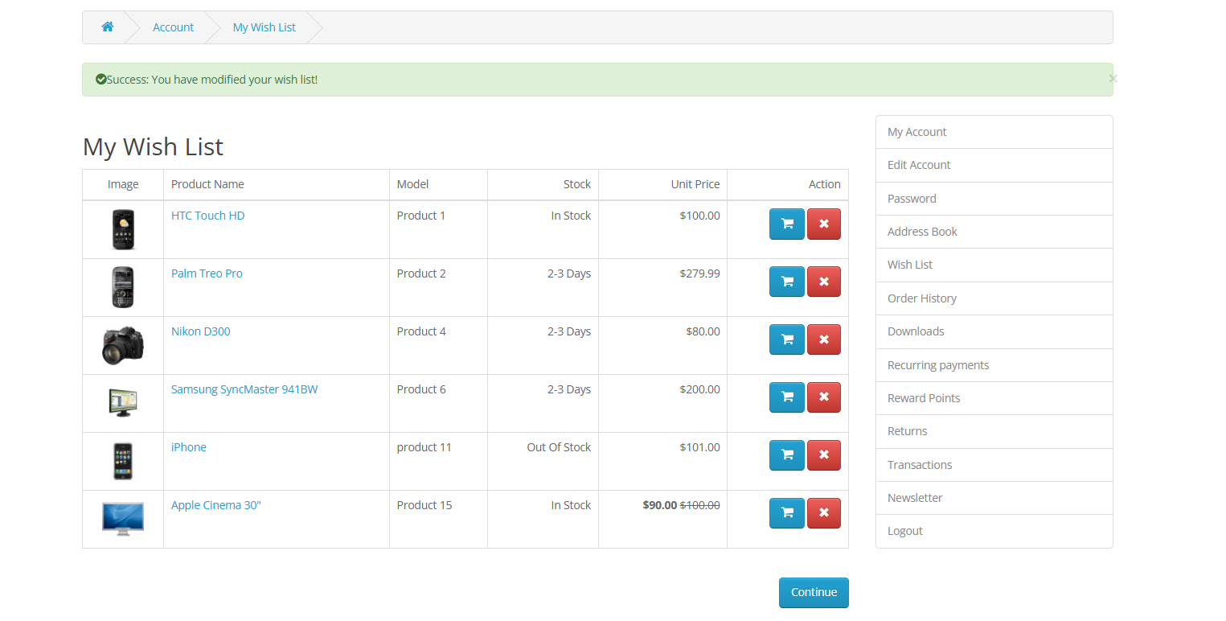
TUT_0016 | Medium | Users found when go to wishlist not proper detail descripation about product | 1. Open the Browser 2. Enter the Url - https://tutorialsninja.com/demo/index.php?route=common/home | 1. Open the url 2. Go to login 3. Go to Homepage 4.Add a few products to the wishlist 5. Navigate to"Wishlist Page" 6. Verify that all added items are listed | Not user friendly | Not user friendly | Fail | Puja kumari
TUT_0017 | High | User get succesfully Order of product without login only fill address detail | 1. Open the Browser 2. Enter the Url - https://tutorialsninja.com/demo/index.php?route=common/home | 1. Open the url 2. Go to login 3. Go to Homepage 4. Select the product 5. Add to item to theCart 6. Navigate to the checkout page. 7. Enter Valid shipping and payment details. 8. Confirm the order | Not user friendly | Not user friendly | Fail | Puja kumari
TUT_0018 | Medium | User in checkout page can place the order by entering different country and state name. It should display order succesfully | 1. Open the Browser 2. Enter the Url - https://tutorialsninja.com/demo/index.php?route=common/home | 1. Open the url 2. Go to login. 3. Go to Homepage. 4.Add an item to the cart . 5. click the checkout button. 6. Select the country and state | Not user friendly | Not user friendly | Fail | Puja kumari
TUT_0019 | Medium | Users should be Estimate Shipping and Taxes by entering invallid credentials. It display a message "Success: Your shipping estimate has been applied! | 1. Open the Browser 2. Enter the Url - https://tutorialsninja.com/demo/index.php?route=common/home | 1.Click on the shoppping cart 2. Click on EStimate and Taxes enter the country 3. Regional state and postal code 4.Click on get Quotes buttons 5. Click on apply flat shipping rate 6.Click on apply Shipping | Not user friendly | Not user friendly | Fail | Puja kumari
TUT_0020 | Medium | Users adding an out of stock product on the shopping cart and checkout page as well product is added successfully | 1. Open the Browser 2. Enter the Url - https://tutorialsninja.com/demo/index.php?route=common/home | 1.Click on the shoppping cart 2. Add the item from the homepage by clicking add to cart button | Not user friendly | Not user friendly | Fail | Puja kumari
TUT_0021 | Medium | User cannot access the order history without logging in the system should prompt the user to log in before they can access order history message of "Please log in to view your order history" not found. | 1. Open the Browser 2. Enter the Url - https://tutorialsninja.com/demo/index.php?route=common/home | 1. Open the url 2.Go to logout 3. Go to Homepage 4. Click on my account option 5.click on Order history | Not user friendly | Not user friendly | Fail | Puja kumari | https://drive.google.com/file/d/1U93QS-ouriNHJMctKrsvWgKRfIEhdILR/view?usp=sharing
TUT_0022 | Low | Users are My account in order history option is clickable or not | 1. Open the Browser 2. Enter the Url - https://tutorialsninja.com/demo/index.php?route=common/home | 1. Open the url 2.Go to logout 3. Go to Homepage 4. Click on my account option 5.click on Order history | User friendly | Not user friendly | Fail | Puja kumari
TUT_0023 | Medium | Users is not find filter and display option in Order History only the orders within the selected date range get | 1. Open the Browser 2. Enter the Url - https://tutorialsninja.com/demo/index.php?route=common/home | 1. Open the url 2. Log in to the application using valid credentials. 3. Navigate to the "Order History" section. 4. Use the date range filter to specify a start date and end date. 5. Click on the "Apply Filter" button. 6.Verify that only orders placed within the specified date range are displayed. | Not user friendly | Not user friendly | Fail | Puja kumari
TUT_0024 | Medium | User cannot view products for an invalid or non-existent category the system is display not an error message or show no products, indicating that the category is invalid. | 1. Open the Browser 2. Enter the Url - https://tutorialsninja.com/demo/index.php?route=common/home | 1. Open the url 2. Go to login 3. Go to Homepage 4.Navigate to the "Categories" section. 5. Select a non-existent or invalid category | Not user friendly | Not user friendly | Fail | Puja kumari
TUT_0025 | High | Users can filter products based on a specified rating are not able accurate result when apply category higest and lowest get result confusing | 1. Open the Browser 2. Enter the Url - https://tutorialsninja.com/demo/index.php?route=common/home | 1. Open the url 2. Go to login 3. Go to Homepage 4. Click on home page option 5. checking all icons products 6. Checking the rating highest and lowest | Not user friendly | Not user friendly | Fail | Puja kumari
TUT_0026 | Medium | User should be successfully logged out, the login page not should be displayed, and the "Logout" option should no longer be available. | 1. Open the Browser 2. Enter the Url - https://tutorialsninja.com/demo/index.php?route=common/home | 1. Open the url 2. Navigate to the user profile/account section. 3. Click on the "Logout" button. 4. Verify that the user is redirected to the login page. 5. Check that the login form is displayed on the page | User friendly | Not user friendly | Fail | Puja kumari
TUT_0027 | High | User tries to log out while they are already logged out (i.e., the session has expired or no session exists).The page should prevent the logout attempt with an appropriate message not found "You are already logged out" simply do nothing if the user is not logged in | 1. Open the Browser 2. Enter the Url - https://tutorialsninja.com/demo/index.php?route=common/home | 1. Open the url 2.Ensure that the user is logged out or the session has expired. 3.Attempt to click on the "Logout" button/link. 4.Observe the system behavior. | Not user friendly | Not user friendly | Fail | Puja kumari
TUT_0028 | Medium | Users does not allow access to pages after the user logs out, even if the session is not expired, and should redirect the user to the Homepage. | 1. Open the Browser 2. Enter the Url - https://tutorialsninja.com/demo/index.php?route=common/home | 1. Open the url 2. Go to login page 3. Go to Home page. 4. Click on my account 5. Click on logout icon 6. Try to directly access a protected page URL in the browser’s address bar | Not user friendly | Not user friendly | Fail | Puja kumari | https://drive.google.com/file/d/16pv3O3CyFfyYoTl6rxJ1uz3Bw581DCFC/view?usp=sharing
TUT_0029 | Medium | When user is not adding states in address then also he can proceed further | 1. Open the Browser 2. Enter the Url - https://tutorialsninja.com/demo/index.php?route=common/home | 1. Open Browser 2. Entert Url 3. Login in the application 4. Search Item 5. Add item to the cart 6. Click on the checkout Page 7. Enter Estimated Shipping Section | Not user friendly | Not user friendly | Fail | Puja kumari | https://drive.google.com/file/d/1x04HS-6Lw0vrs_Ef3CYAW68Qh0PYTtRt/view
TUT_0030 | Medium | When user while entering the details just want to comeback at the add to cart page , he moves automaticlly towards the selected item page | 1. Open the Browser 2. Enter the Url - https://tutorialsninja.com/demo/index.php?route=common/home | 1. Open Browser 2. Entert Url 3. Login in the application 4. Search Item 5. Add item to the cart 6. Click on the checkout Page 7. Click on checkout 8. Click on Personal details 9.Click on back navigation | User friendly | Not user friendly | Fail | Puja kumari | https://drive.google.com/file/d/1IM8E4NsaRuUnKyqhVWiDqaW616eKnrOQ/view?usp=drive_link

